Main Registration
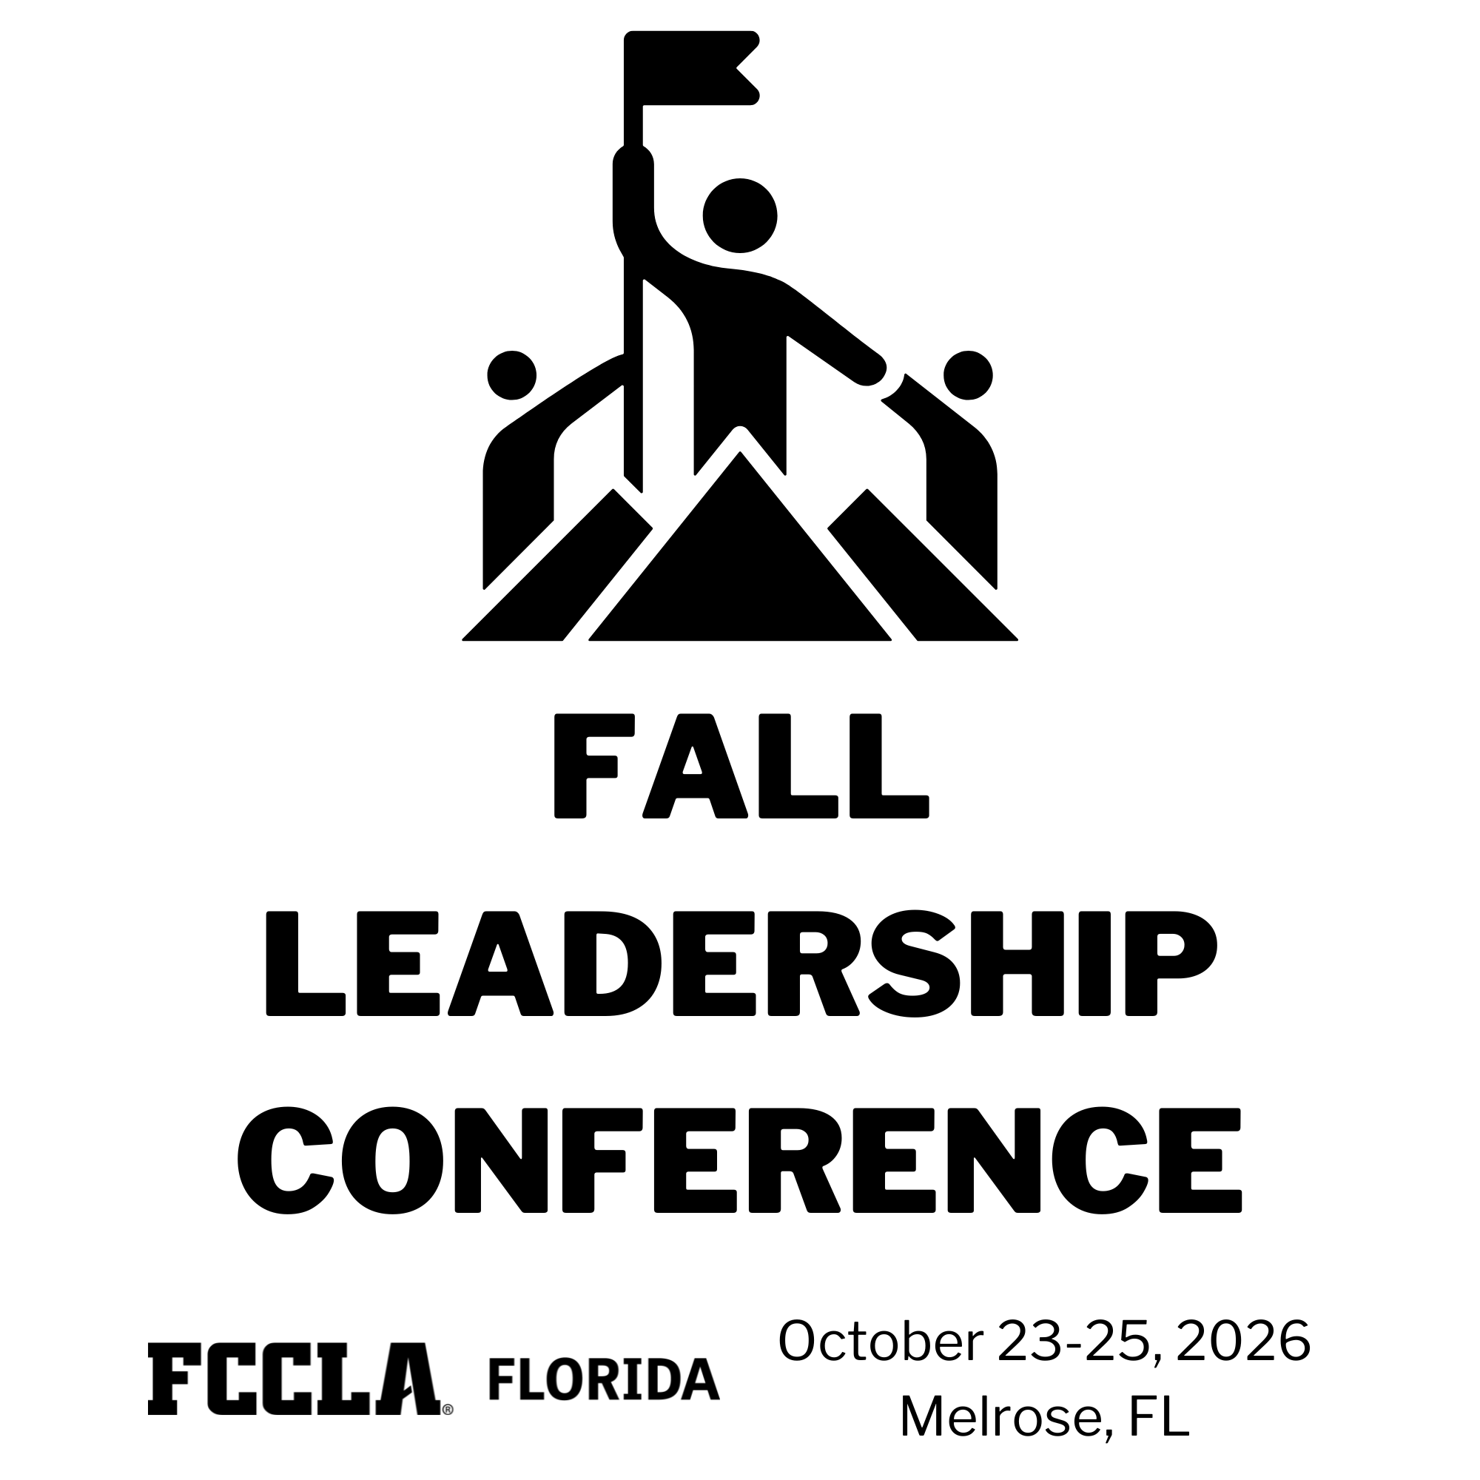
Fill in blue fields ONLY

Chapter Information |  |  |  |  |  | For Notes/Special Needs/Allergies: If there are none, you must enter "N/A" - ALL BLUE fields must be filled in
Chapter: |  |  |  | Chapter ID:
District: |  | County:

Adult Participant (Adviser) Information |  |  |  |  |  | You MUST register with AT LEAST 1 Adviser and 1 Student
First Name: |  |  | Last Name:
Gender (M/F): |  | Email:
Phone Number: |  | Address: |  |  |  | Minimum Attendance Requirement Not Met
Emergency Contact Full Name:
Emergency Contact Phone: |  |  | Address: |  |  | 0
Relationship: |  | Notes/Special Needs: |  |  | Percent Completed: | 0%
T-Shirt Size: |  | Allergies: |  |  | ERROR-ENTER ADVISER NAME

Student Information (1)
First Name: |  |  | Last Name:
Gender (M/F): |  | Email:
Grade Level: |  | Role:
Phone Number: |  | Address:
Emergency Contact Full Name:
Emergency Contact Phone: |  |  | Address: |  |  | 0
Relationship: |  | Notes/Special Needs: |  |  | Percent Completed: | 0%
T-Shirt Size: |  | Allergies:

Student Information (2)
First Name: |  |  | Last Name:
Gender (M/F): |  | Email:
Grade Level: |  | Role:
Phone Number: |  | Address:
Emergency Contact Full Name:
Emergency Contact Phone: |  |  | Address: |  |  | 0
Relationship: |  | Notes/Special Needs: |  |  | Percent Completed: | 0%
T-Shirt Size: |  | Allergies:

Student Information (3)
First Name: |  |  | Last Name:
Gender (M/F): |  | Email:
Grade Level: |  | Role:
Phone Number: |  | Address:
Emergency Contact Full Name:
Emergency Contact Phone: |  |  | Address: |  |  | 1
Relationship: | Mother | Notes/Special Needs: |  |  | Percent Completed: | 7%
T-Shirt Size: |  | Allergies:

Student Information (4)
First Name: |  |  | Last Name:
Gender (M/F): |  | Email:
Grade Level: |  | Role:
Phone Number: |  | Address:
Emergency Contact Full Name:
Emergency Contact Phone: |  |  | Address: |  |  | 0
Relationship: |  | Notes/Special Needs: |  |  | Percent Completed: | 0%
T-Shirt Size: |  | Allergies:

Student Information (5)
First Name: |  |  | Last Name:
Gender (M/F): |  | Email:
Grade Level: |  | Role:
Phone Number: |  | Address:
Emergency Contact Full Name:
Emergency Contact Phone: |  |  | Address: |  |  | 0
Relationship: |  | Notes/Special Needs: |  |  | Percent Completed: | 0%
T-Shirt Size: |  | Allergies:

Student Information (6)
First Name: |  |  | Last Name:
Gender (M/F): |  | Email:
Grade Level: |  | Role:
Phone Number: |  | Address:
Emergency Contact Full Name:
Emergency Contact Phone: |  |  | Address: |  |  | 0
Relationship: |  | Notes/Special Needs: |  |  | Percent Completed: | 0%
T-Shirt Size: |  | Allergies:

 |  |  |  |  |  |  |  | 22813
 |  |  |  |  |  |  |  | 20830
 |  |  |  |  |  |  |  | 22734
 |  |  |  |  |  |  |  | 14002
 |  |  |  |  |  |  |  | 22480
 |  |  |  |  |  |  |  | 19763
 |  |  |  |  |  |  |  | 21288
 |  |  |  |  |  |  |  | 13842
 |  |  |  |  |  |  |  | 19072
 |  |  |  |  |  |  |  | 22026
 |  |  |  |  |  |  |  | 24165
 |  |  |  |  |  |  |  | 22603
 |  |  |  |  |  |  |  | 22689
 |  |  |  |  |  |  |  | 22216
 |  |  |  |  |  |  |  | 13541
 |  |  |  |  |  |  |  | 13776
 |  |  |  |  |  |  |  | 13775
 |  |  |  |  |  |  |  | 14527
 |  |  |  |  |  |  |  | 23195
 |  |  |  |  |  |  |  | 10810
 |  |  |  |  |  |  |  | 15728
 |  |  |  |  |  |  |  | 21444
 |  |  |  |  |  |  |  | 22897
 |  |  |  |  |  |  |  | 13962
 |  |  |  |  |  |  |  | 19931
 |  |  |  |  |  |  |  | 13340
 |  |  |  |  |  |  |  | 19851
 |  |  |  |  |  |  |  | 22536
 |  |  |  |  |  |  |  | 24060
 |  |  |  |  |  |  | Sandalwood High School | 22047
 |  |  |  |  |  |  | Satellite High School | 14432
 |  |  |  |  |  |  | SCHS Chargers | 21841
 |  |  |  |  |  |  | Shelley S. Boone Middle School | 19130
 |  |  |  |  |  |  | Shenandoah Middle | 20116
 |  |  |  |  |  |  | Simmons Career Center | 19862
 |  |  |  |  |  |  | Sneads High | 22839
 |  |  |  |  |  |  | Somerset Academy South Homestead | 21487
 |  |  |  |  |  |  | Somerset Oaks Fccla | 22050
 |  |  |  |  |  |  | South Dade High Buccaneers Best | 18861
 |  |  |  |  |  |  | South Miami Senior High | 21579
 |  |  |  |  |  |  | South Sumter High School | 21828
 |  |  |  |  |  |  | Southwest Middle Fccla | 23962
 |  |  |  |  |  |  | Southwest Middle School | 21851
 |  |  |  |  |  |  | St. Cloud High Fccla | 14045
 |  |  |  |  |  |  | Stambaugh Fccla | 11836
 |  |  |  |  |  |  | Steinbrenner HS FCCLA | 22367
 |  |  |  |  |  |  | Stone Magnet Middle School | 22929
 |  |  |  |  |  |  | Sugg Middle School | 20365
 |  |  |  |  |  |  | Sumner High School Stingrays | 22189
 |  |  |  |  |  |  | Sunset Knights | 21329
 |  |  |  |  |  |  | Tampa Bay Tech FCCLA | 20042
 |  |  |  |  |  |  | Terry Parker Fccla | 24000
 |  |  |  |  |  |  | Terry Parker High School | 22027
 |  |  |  |  |  |  | The Eagles | 21827
 |  |  |  |  |  |  | Thomas Jefferson Middle | 24073
 |  |  |  |  |  |  | Vernon High School | 23223
 |  |  |  |  |  |  | Viera High Fccla | 12119
 |  |  |  |  |  |  | W M Raines Academy | 24083
 |  |  |  |  |  |  | Wellington Fccla | 13407
 |  |  |  |  |  |  | West Broward High | 23763
 |  |  |  |  |  |  | West Miami MS FCCLA | 21566
 |  |  |  |  |  |  | Westwood Middle School | 23238
 |  |  |  |  |  |  | Wildwood Middle High School | 23271
 |  |  |  |  |  |  | Winter Haven HS Junior Chefs Club | 19961
 |  |  |  |  |  |  | Wiregrass Ranch Fccla | 14031
 |  |  |  |  |  |  | Other | Other

